Table 1

Selected Acquisition Report (SAR)
RCS: DD-A&T(Q&A)823-210
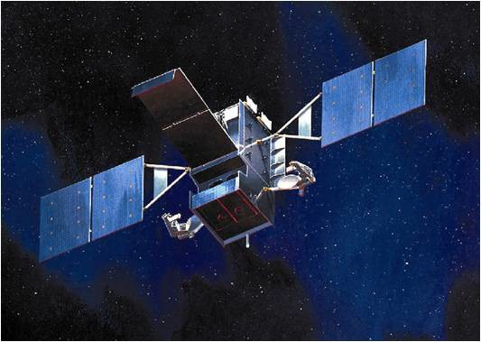
Space Based Infrared System High (SBIRS High)
As of FY 2017 President's Budget
Defense Acquisition Management Information Retrieval
(DAMIR)

Table 50
Baseline (GEO 1-4, HEO 1-2, and Ground)
Unit Cost History
Item |  |  |  | Date |  | BY 1995 $M |  |  |  |  |  | TY $M
 |  |  |  |  |  | PAUC |  |  | APUC |  |  | PAUC |  |  | APUC

Original APB |  |  | Oct 1996 |  |  | 693.980 |  |  |  | N/A |  |  | 732.340 |  |  | N/A
APB as of January 2006 |  |  | Sep 2002 |  |  | 1467.640 |  |  |  | 420.500 |  |  | 1684.180 |  |  | 499.133
Revised Original APB |  |  | Mar 2006 |  |  | 2856.433 |  |  |  | 1342.800 |  |  | 3386.200 |  |  | 1723.200
Prior APB |  |  | Sep 2012 |  |  | 2811.450 |  |  |  | 1256.000 |  |  | 3461.250 |  |  | 1663.900
Current APB |  |  | Feb 2013 |  |  | 2811.450 |  |  |  | 1256.000 |  |  | 3461.250 |  |  | 1663.900
Prior Annual SAR |  |  | Dec 2014 |  |  | 2770.300 |  |  |  | 1220.650 |  |  | 3414.200 |  |  | 1625.500
Current Estimate |  |  | Dec 2015 |  |  | 2766.650 |  |  |  | 1225.300 |  |  | 3416.475 |  |  | 1631.650
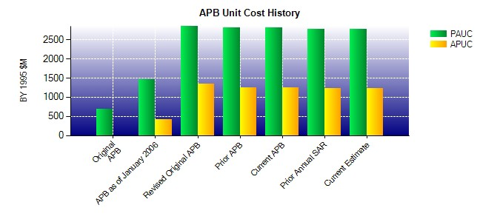
SAR Unit Cost History
Current SAR Baseline to Current Estimate (TY $M)
Initial PAUC Development Estimate | Changes |  |  |  |  |  |  |  |  |  |  |  |  | PAUC Current Estimate
 | Econ | Qty |  | Sch | Eng |  | Est | Oth |  |  | Spt | Total
829.460 29.725 169.190 129.200 126.600 1989.450 0.000 142.850 2587.015 3416.475

Table 53
Unit Cost History
Item |  |  |  | Date |  | BY 1995 $M |  |  |  |  |  | TY $M
 |  |  |  |  |  | PAUC |  | APUC |  |  |  | PAUC |  |  | APUC

Original APB |  |  | Sep 2012 |  |  | 1340.800 |  |  | 1340.800 |  |  |  | 1932.700 |  |  | 1932.700
APB as of January 2006 |  |  | N/A |  |  | N/A |  |  | N/A |  |  |  | N/A |  |  | N/A
Revised Original APB |  |  | N/A |  |  | N/A |  |  | N/A |  |  |  | N/A |  |  | N/A
Prior APB |  |  | Sep 2012 |  |  | 1340.800 |  |  | 1340.800 |  |  |  | 1932.700 |  |  | 1932.700
Current APB |  |  | Feb 2013 |  |  | 1340.800 |  |  | 1340.800 |  |  |  | 1932.700 |  |  | 1932.700
Prior Annual SAR |  |  | Dec 2014 |  |  | 1191.200 |  |  | 1191.200 |  |  |  | 1749.500 |  |  | 1749.500
Current Estimate |  |  | Dec 2015 |  |  | 1141.750 |  |  | 1141.750 |  |  |  | 1664.100 |  |  | 1664.100
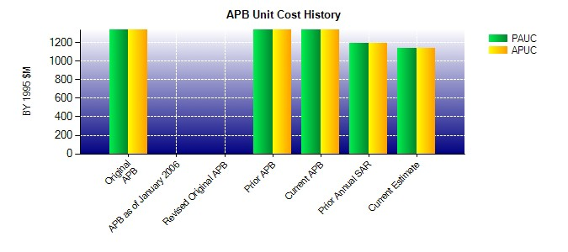
SAR Unit Cost History
Current SAR Baseline to Current Estimate (TY $M)
Initial PAUC Production Estimate | Changes |  |  |  |  |  |  |  |  |  |  |  |  | PAUC Current Estimate
 | Econ | Qty |  | Sch | Eng | Est | Oth |  |  | Spt | Total
1932.700 26.300 0.000 0.000 0.000 -212.000 0.000 -82.900 -268.600 1664.100

